Sheet1
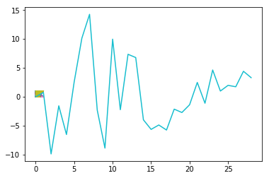
Independent LR Coefficients
Independent LR Coefficients
Features | Number | LR from Scratch | Scikit-learn
radius_mean | 1 | -9.37E-03 | 0
texture_mean | 2 | 7.67E-01 | 0.76736753 2
perimeter_mean | 3 | -9.87E+00 | 0.88072182
area_mean | 4 | -1.56E+00 | 1.08868283
smoothness_mean | 5 | -6.52E+00 | -0.21171369
compactness_mean | 6 | 2.56E+00 | 0.56271732
concavity_mean | 7 | 1.01E+01 | 1.65507951
concave points_mean | 8 | 1.43E+01 | 2.3801738
symmetry_mean | 9 | -2.31E+00 | 0.05063709
fractal_dimension_mean | 10 | -8.87E+00 | -1.35163547
radius_se | 11 | 9.97E+00 | 1.30820305
texture_se | 12 | -2.23E+00 | -0.37106399
perimeter_se | 13 | 7.35E+00 | 1.02123346
area_se | 14 | 6.79E+00 | 0.89909179
Scikit-learn Coefficients
Scikit-learn Coefficients
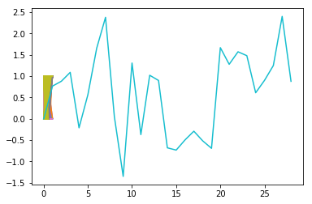
smoothness_se | 15 | -3.98E+00 | -0.68090788
compactness_se | 16 | -5.63E+00 | -0.73428073
concavity_se | 17 | -4.87E+00 | -0.49595529
concave points_se | 18 | -5.74E+00 | -0.29101703
symmetry_se | 19 | -2.13E+00 | -0.51694224
fractal_dimension_se | 20 | -2.71E+00 | -0.69255944
radius_worst | 21 | -1.37E+00 | 1.66881075
texture_worst | 22 | 2.48E+00 | 1.27819432
perimeter_worst | 23 | -1.11E+00 | 1.57163635
area_worst | 24 | 4.64E+00 | 1.48066087
smoothness_worst | 25 | 9.96E-01 | 0.6106672
compactness_worst | 26 | 1.98E+00 | 0.90128994
concavity_worst | 27 | 1.74E+00 | 1.2486092
concave points_worst | 28 | 4.41E+00 | 2.40210721
symmetry_worst | 29 | 3.31E+00 | 0.87914931

 |  | Top 10 Coefficients
radius_mean | 1 | -9.37E-03
texture_mean | 2 | 7.67E-01
perimeter_mean | 3 | -9.87E+00
area_mean | 4 | -1.56E+00
smoothness_mean | 5 | -6.52E+00
compactness_mean | 6 | 2.56E+00
concavity_mean | 7 | 1.01E+01
concave points_mean | 8 | 1.43E+01
symmetry_mean | 9 | -2.31E+00
fractal_dimension_mean | 10 | -8.87E+00
radius_se | 11 | 9.97E+00
texture_se | 12 | -2.23E+00
perimeter_se | 13 | 7.35E+00
area_se | 14 | 6.79E+00
smoothness_se | 15 | -3.98E+00
compactness_se | 16 | -5.63E+00
concavity_se | 17 | -4.87E+00
concave points_se | 18 | -5.74E+00
symmetry_se | 19 | -2.13E+00
fractal_dimension_se | 20 | -2.71E+00
radius_worst | 21 | -1.37E+00
texture_worst | 22 | 2.48E+00
perimeter_worst | 23 | -1.11E+00
area_worst | 24 | 4.64E+00
smoothness_worst | 25 | 9.96E-01
compactness_worst | 26 | 1.98E+00
concavity_worst | 27 | 1.74E+00
concave points_worst | 28 | 4.41E+00
symmetry_worst | 29 | 3.31E+00

